Beer Line Length
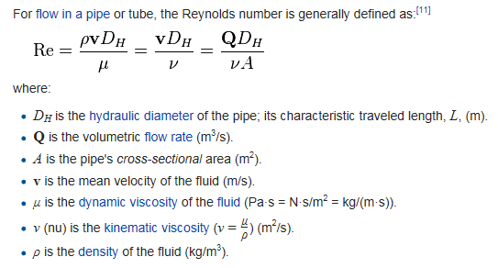
 |  | INPUTS IN YELLOW
Desired Pressure in Keg | DP | 12 | lb/in2 | 1728 | lb/ft2
Specific Gravity of Beer (Final Gravity) | SG | 1.010
Vertical Distance - Center of Keg to Tap | z2 | 2.58 | 22
Tubing Inner Diameter | D | 0.1875 | in | 0.015625 | ft
Absolute Roughness of tubing | e | 4.92E-06 | ft
Desired Flow Rate |  | 10 | sec/pint

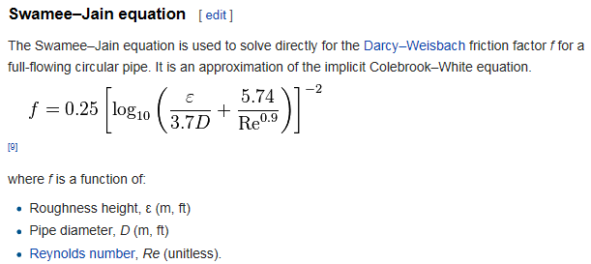
 |  | CALCS IN BLUE
Density of Water (@40 deg F) | r | 1.94 | slugs/ft3 | 62.41765506 | lbFs2/ft4
Specific Weight of Beer | g | 63.041831611 | lb/ft3
Cross Sect Area of tubing | A | 0.00019174759849 | ft2
Volumetric Flow Rate | Q | 0.0016710069444 | ft3/sec
Fluid Velocity | v | 8.7146173282 | ft/sec
Dynamic Viscosity (@40 deg F) | u | 3.26028E-05 | lbf s/ft2
Kinematic Viscosity (@40 deg F) | n | 1.680556701E-05 | ft2/s
Reynolds Number | Re | 8102.4279436
Friction factor | f | 0.032888353187
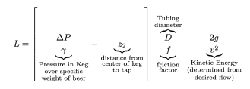
Length of tubing to use | L= | 10.00 | ft

Assumptions:
1) Serving Temperature is 40 degrees.
2) Beer viscosity is similar to water * S.G.
3) Clear PVC tubing uses an assumed absolute surface roughness of 4.92E-06 ft.
4) Vertical distance value is the average height of the beer surface in the keg during the life of the keg contents (full to empty) and doesn't change.
5) There may be errors in these calculations. Use at your own risk.

Compiled using Mike Soltys' online article, Determining Proper hose length for your Kegerator, as a guide. Thank you, Mike! Great article!
http://www.mikesoltys.com/2012/09/17/determining-proper-hose-length-for-your-kegerator/

Thermal Vol Exp Coef
Source: | https://www.engineeringtoolbox.com/water-density-specific-weight-d_595.html
Volumetric Coefficient of Thermal Expansion (US Customary Units)
Temp | Thermal Expansion Coefficient |  |  | Temp | Thermal Expansion Coefficient
[°F] | [*10- 4 K-1] | 1/F |  | [°C] | [*10- 4 K-1] | 1/C
50 | 0.88 | 0.000048888889 |  | 15 | 1.51 | 0.000151
60 | 1.59 | 0.000088333333 |  | 20 | 2.07 | 0.000207
70 | 2.18 | 0.000121111111 |  | 25 | 2.57 | 0.000257
80 | 2.72 | 0.000151111111 |  | 30 | 3.03 | 0.000303
90 | 3.21 | 0.000178333333 |  | 35 | 3.45 | 0.000345
100 | 3.66 | 0.000203333333 |  | 40 | 3.84 | 0.000384
110 | 4.08 | 0.000226666667 |  | 45 | 4.2 | 0.00042
120 | 4.46 | 0.000247777778 |  | 50 | 4.54 | 0.000454
130 | 4.81 | 0.000267222222 |  | 55 | 4.86 | 0.000486
140 | 5.16 | 0.000286666667 |  | 60 | 5.16 | 0.000516
150 | 5.47 | 0.000303888889 |  | 65 | 5.44 | 0.000544
160 | 5.71 | 0.000317222222 |  | 70 | 5.71 | 0.000571
170 | 6.05 | 0.000336111111 |  | 75 | 5.97 | 0.000597
180 | 6.31 | 0.000350555556 |  | 80 | 6.21 | 0.000621
190 | 6.57 | 0.000365000000 |  | 85 | 6.44 | 0.000644
200 | 6.79 | 0.000377222222 |  | 90 | 6.66 | 0.000666
212 | 7.07 | 0.000392777778 |  | 95 | 6.87 | 0.000687
 |  |  |  | 100 | 7.03 | 0.000703
Volumetric Coefficient of Thermal Expansion (Metric Units)
Linear Trendline
US Units | y = 0.00000205x - 0.00001596
Metric Units | y = 0.00000633x + 0.00011120

Volumetric Coefficient of Thermal Expansion |  | Trendline | Slope |  | Offset
 |  | US Customary | 0.00000205 |  | -0.00001596
 |  | Metric | 0.00000633 |  | 0.00011120

