Beer Line Length
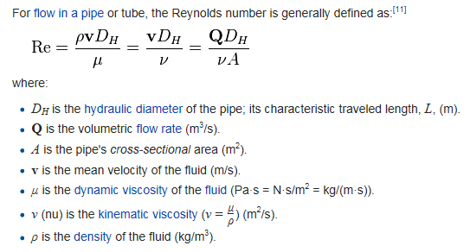
 |  | INPUTS IN YELLOW
Desired Pressure in Keg | DP | 12 | lb/in2 | 1728 | lb/ft2
Specific Gravity of Beer (Final Gravity) | SG | 1.010
Vertical Distance - Center of Keg to Tap | z2 | 2.58 | 22
Tubing Inner Diameter | D | 0.1875 | in | 0.015625 | ft
Absolute Roughness of tubing | e | 4.92E-06 | ft
Desired Flow Rate |  | 10 | sec/pint

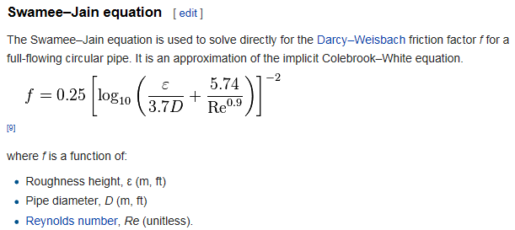
 |  | CALCS IN BLUE
Density of Water (@40 deg F) | r | 1.94 | slugs/ft3 | 62.41765506 | lbFs2/ft4
Specific Weight of Beer | g | 63.041831611 | lb/ft3
Cross Sect Area of tubing | A | 0.00019174759849 | ft2
Volumetric Flow Rate | Q | 0.0016710069444 | ft3/sec
Fluid Velocity | v | 8.7146173282 | ft/sec
Dynamic Viscosity (@40 deg F) | u | 3.26028E-05 | lbf s/ft2
Kinematic Viscosity (@40 deg F) | n | 1.680556701E-05 | ft2/s
Reynolds Number | Re | 8102.4279436
Friction factor | f | 0.032888353187
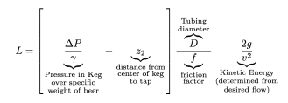
Length of tubing to use | L= | 10.00 | ft

Assumptions:
1) Serving Temperature is 40 degrees.
2) Beer viscosity is similar to water * S.G.
3) Clear PVC tubing uses an assumed absolute surface roughness of 4.92E-06 ft.
4) Vertical distance value is the average height of the beer surface in the keg during the life of the keg contents (full to empty) and doesn't change.
5) There may be errors in these calculations. Use at your own risk.

Compiled using Mike Soltys' online article, Determining Proper hose length for your Kegerator, as a guide. Thank you, Mike! Great article!
http://www.mikesoltys.com/2012/09/17/determining-proper-hose-length-for-your-kegerator/

